Outlets
PLEASE NOTE: My explanations are inserted as images because they are inserted from my .docx report and this was the best way I could visually present the work I had originally prepared as a document

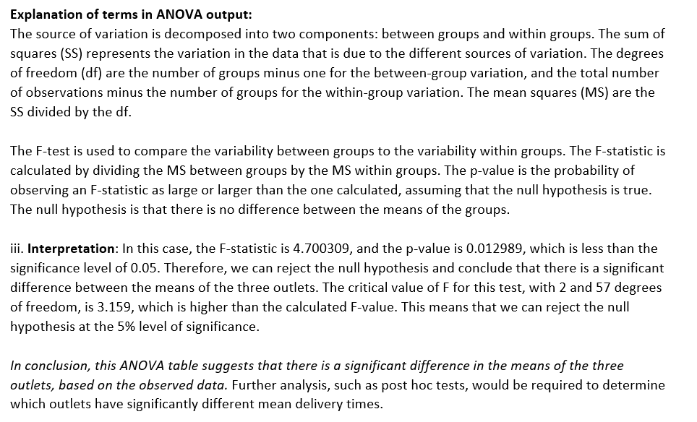
Outlet 1 | Outlet 2 | Outlet 3 |  | Anova: Single Factor
26 | 30 | 25
23 | 32 | 27 |  | SUMMARY
33 | 34 | 21 |  | Groups | Count | Sum | Average | Variance
26 | 29 | 28 |  | Outlet 1 | 20 | 510 | 25.5 | 17.736842105
23 | 34 | 22 |  | Outlet 2 | 20 | 595 | 29.75 | 21.355263158
32 | 30 | 33 |  | Outlet 3 | 20 | 557 | 27.85 | 18.765789474
29 | 23 | 32
21 | 32 | 33
25 | 20 | 33 |  | ANOVA
33 | 34 | 32 |  | Source of Variation | SS | df | MS | F | P-value | F crit
23 | 28 | 29 |  | Between Groups | 181.3 | 2 | 90.65 | 4.7003092877 | 0.012898161744 | 3.1588427193
22 | 25 | 30 |  | Within Groups | 1099.3 | 57 | 19.285964912
25 | 35 | 33
21 | 35 | 26 |  | Total | 1280.6 | 59
23 | 33 | 33
29 | 32 | 25 |  | BUSINESS CONCLUSION | BEST PERFORMING ASSET | PRIORITY #1 FOR ATTN | PRIORITY #2 FOR ATTN
22 | 22 | 23
20 | 30 | 25
31 | 33 | 26
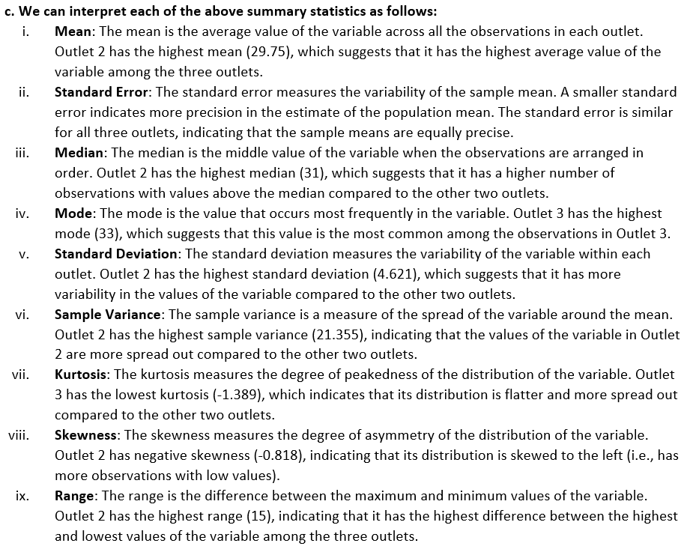
23 | 24 | 21 |  | a. SUMMARY STATISTICS
 |  |  |  |  | Outlet 1 | Outlet 2 | Outlet 3

 |  |  |  | Mean | 25.5 | 29.75 | 27.85
 |  |  |  | Standard Error | 0.94172294507 | 1.0333262592 | 0.96865343322
 |  |  |  | Median | 24 | 31 | 27.5
 |  |  |  | Mode | 23 | 30 | 33
 |  |  |  | Standard Deviation | 4.2115130423 | 4.6211755169 | 4.3319498466
 |  |  |  | Sample Variance | 17.736842105 | 21.355263158 | 18.765789474
 |  |  |  | Kurtosis | -0.88490766346 | -0.50889740471 | -1.3887066355
 |  |  |  | Skewness | 0.67170213326 | -0.81798169205 | -0.14566207297
 |  |  |  | Range | 13 | 15 | 12
 |  |  |  | Minimum | 20 | 20 | 21
 |  |  |  | Maximum | 33 | 35 | 33
 |  |  |  | Sum | 510 | 595 | 557
 |  |  |  | Count | 20 | 20 | 20
 |  |  |  | Critical value CV = | 2.093 | from t-distribution with 19 [n-1] degrees of freedom
 |  |  |  | Margin of Error = CV * Std. Error | 30.135134242 | 33.066440294 | 30.996909863
 |  |  | b. | 95% confidence interval Upper Limit | 55.635134242 | 62.816440294 | 58.846909863
 |  |  |  | 95% confidence interval Lower Limit | -4.6351342421 | -3.3164402935 | -3.146909863

Banker
Teller | ATM
1.108 | 0.633
1.385 | 0.641
1.246 | 1.100
1.901 | 0.745
1.284 | 0.584
1.875 | 0.831
1.473 | 0.885
1.586 | 0.818
1.195 | 1.110
1.480 | 0.994
1.569 | 0.885
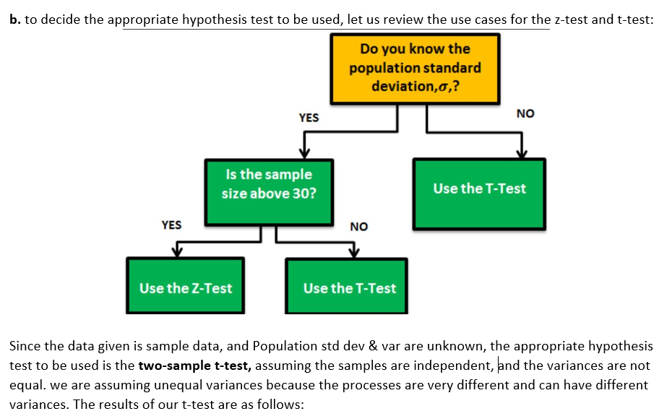
1.457 | 1.123
1.520 | 1.166
1.446 | 1.042
2.056 | 0.978
1.366 | 0.801
1.840 | 1.063
1.889 | 1.075
1.023 | 1.048
1.903 | 1.198
1.925 | 0.941
1.110 | 1.090
1.414 | 0.857
1.343 | 1.025
1.233 | 1.221
1.782 | 1.117
1.310 | 0.888
1.310 | 0.903
1.800 | 0.789
1.673 | 0.980
1.753 | 0.623
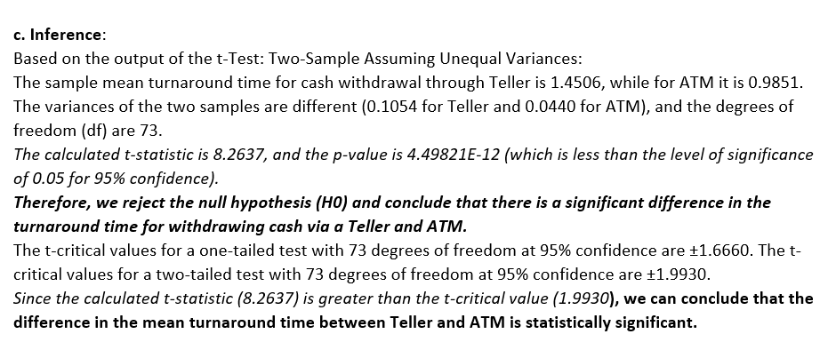
2.036 | 0.977 | t-Test: Two-Sample Assuming Unequal Variances
1.357 | 1.124
1.141 | 1.359 |  | Teller | ATM
1.587 | 0.926 | Mean | 1.4506 | 0.9851
1.112 | 1.032 | Variance | 0.1054 | 0.0440
0.617 | 1.130 | Observations | 45 | 53
1.328 | 1.127 | Hypothesized Mean Difference | 0
1.487 | 0.859 | df | 73
1.188 | 0.828 | t Stat | 8.2637
1.505 | 1.262 | P(T<=t) one-tail | 2.2491031853E-12
1.160 | 1.298 | t Critical one-tail | 1.6660
1.462 | 0.966 | P(T<=t) two-tail | 4.4982063706E-12
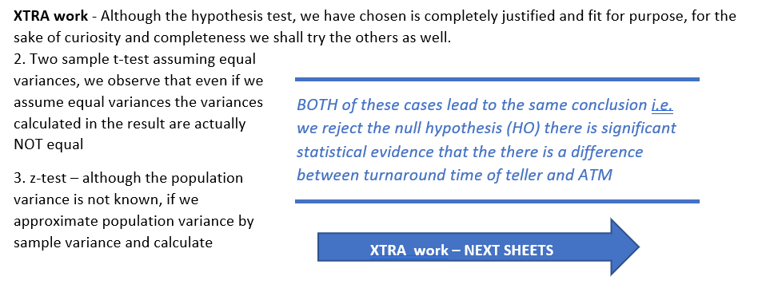
1.349 | 1.265 | t Critical two-tail | 1.9930
0.688 | 0.840
 | 1.053
 | 1.175
 | 0.300
 | 1.320
 | 1.093
 | 1.086
 | 1.261
 | 0.779

